Workbook info & overview
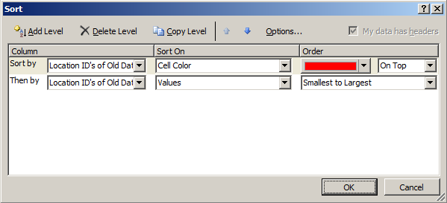
Insert Old List:

 | What Is this sheet and what do you do?
 | This Sheet is an index which holds the items in the older dataset.
 | Delete items under the first column header (A2) and paste the values from the older dataset. Do NOT delete items in column 2.

Insert New List:

 | What Is this sheet and what do you do?
 | This Sheet is an index which holds the items in the newer dataset.
 | Delete items under the first column header (A2) and paste the values from the newer dataset. Do NOT delete items in column 2.

Matching ID's in New&Old List:

 | What Is this sheet and what do you do?
 | This sheet use's a formula to extract values from the worksheet "Formula to Check for New".
 | The formula works by extracting values that have been matched between the two datasets. If the
 | formula comes across "#N/A!", the value 0 is returned.

 | Nothing has be to be pasted into this sheet since formula's do all the work. If the work sheet does not look like it has been
 | updated, save the excel document to recalcuate all the formulas In each worksheet. Click on the filter drop down menu in
 | colmn A-> click on select all and then uncheck 0. Again, click on the filter drop down menu -> click on "Sort Smallest to Largest".
 | What is left are the matching values between both lists.

Formula to Check for New:

 | What Is this sheet and what do you do?
 | This sheet cross checks the values of the older and newer dataset. If there is a match, the
 | label "In Older Dataset" is populated in column B but If there is no match, a "#N/A" error is populated. All samples
 | with "#N/A" are highlighed in green to symbolize new values that are in the new dataset but not in the old dataset.
 | MAKE SURE FILTER IS ON - SEE BELOW:
 | In the menu tab above, click on the "Data" tab and in the "Sort and Filter" section, click reapply to refresh the filter.
 | If Reapply is grayed out, you will have to sort the columns to arrange the NEW and OLD values (remember #N/A = new value).
 | If the work sheet does not look like it has been updated, save the excel document to recalcuate all the formulas In each
 | worksheet. Click on the filter drop down menu in colmn A-> click on select all and then uncheck 0. Next, click reapply in the data
 | tab to refresh the filter.

 | If the custom sort has be remade, click the filter drop down menu in column A -> Click on sort by color then click on custom sort.
 | Create the sorting parameters based on the below image.
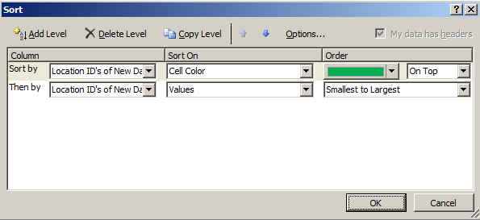

Formula to Check for Removed:

 | What Is this sheet and what do you do?
 | This sheet cross checks the values of the newer and older dataset. If there is a match, the
 | label "Do Not Remove" is returned. If there is no match, a "#N/A" error is returned. All values
 | with "#N/A" are highlighed in red to symbolize values that are in the old dataset but not in the new dataset.
 | MAKE SURE FILTER IS ON - SEE BELOW:
 | In the menu tab above, click on the "Data" tab and in the "Sort and Filter" section, click reapply to refresh the filter.
 | If Reapply is grayed out, you will have to sort the columns to arrange the NEW and OLD values (remember #N/A = old value)
 | If the work sheet does not look like it has been updated, save the excel document to recalcuate all the formulas In each
 | worksheet. Click on the filter drop down menu in colmn A-> uncheck select all and then check select all. Next, click reapply in the
 | data tab to refresh the filter.

 | If the custom sort has be remade, click the filter drop down menu in column A -> Click on sort by color then click on custom sort.
 | Create the sorting parameters based on the below image.

